Instructions
You may choose any publicly traded stock that has multiples lines of business (alternatively referred to as divisions, business segments, etc.) Do not analyze a company that is in a single line of business or otherwise known as a "pure play." Make sure that you coordinate with the other teams to ensure that you are not analyzing a stock that another team is analyzing.
Deliverables:
1. Provide an estimate of the company's beta using an SCL analysis. In your narrative writeup, make sure to describe your approach, any assumptions used (e.g., time frame, level of granularity, risk free rate used, regression assumptions, etc.), and the confidence interval of the beta. When you report the CI, make sure you provide the appropriate description (e.g., the level of confidence), how it is computed, and what the CI actually means (i.e., as if you were explaining it to an unsophisticated audience). Note: be sure to use the same time frame (e.g., 2 years, 5 years, etc.) and granularity (e.g., monthly) that are using in the comps analysis).
2. Provide an estimate of the company's beta using comparables analysis. In your narrative writeup, once again make sure to clearly describe your step-by-step approach and methodology, including:
make sure to do a segments analysis as applicable
cite your sources (e.g., 10K)
make a determination as to what driver you will use to help weight the segments (e.g., via sales?) and what multiple (e.g., EV/Sales) you will use to get a value weighting (make sure to include citations of sources).
describe your comps selection process for each segment
what did you do to ensure that they were truly comparable beyond just the SIC or sector code (i.e., did you narrow it down further)?
what other refinements did you make (if any), such as excluding any comps that otherwise fit the criteria (and why?)
how did you determine which capital structure assumption to make (did you examine the historical financials or other stated policies of the comps to see which assumption was more appropriate)?
for this one, you may choose to limit the choices to just two: constant debt or constant D/E ratio
if the debt was sub-investment grade, at what level did you set the debt beta? why? make persuasive, logical arguments--there isn't necessarily "one" right answer here.
did you make other adjustments (e.g., cash adjusted beta?)
3. Compare the two estimates (SCL vs. comps). Are they similar? different? Is the beta estimated from the comps inside of the confidence interval? What might account for differences (if any). How would you go about using these estimates if they are different?
Each team will submit: A PDF written in a memo format that looks professional (as if you were presenting to an employer), as well as the supporting work (e.g., Python code and/or Excel spreadsheet). The memo should have illustrations/exhibits supporting the writeup.

DIS SCL Regres
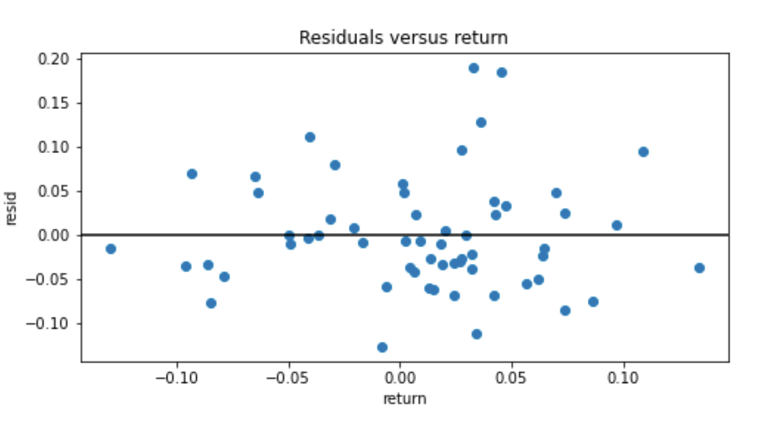
SUMMARY OUTPUT

Regression Statistics
Multiple R | 0.71492899339
R Square | 0.51112346559
Adjusted R Square | 0.50254668429
Standard Error | 0.064573001583
Observations | 59

ANOVA
 | df | SS | MS | F | Significance F
Regression | 1 | 0.24848686235 | 0.24848686235 | 59.59385548 | 2.0101435797E-10
Residual | 57 | 0.2376713344 | 0.0041696725334
Total | 58 | 0.48615819676

 | Coefficients | Standard Error | t Stat | P-value | Lower 95% | Upper 95% | Lower 95.0% | Upper 95.0%
Intercept | -0.006727450618 | 0.0085242200458 | -0.78921597306 | 0.43325641156 | -0.023796906827 | 0.010342005591 | -0.023796906827 | 0.010342005591
X Variable 1 | 1.2115231272 | 0.15693903116 | 7.7197056602 | 2.0101435797E-10 | 0.89725813806 | 1.5257881163 | 0.89725813806 | 1.5257881163

 |  |  | 7.7197056602

 |  |  |  |  |  |  | Produced in Python

Notes & Assumptions
In Finwiz we filtered by resorts and casinos for the DPEP sector and entertainment/media for the DMED sector
DMED: comcast, netflix, the liberty braves group, paramount,warner bros discovery
DPEP: MGM, mariott vacations worldwide corporation, royal caribbean, Hilton grand vacations, comcast

Assumptions

Damodaran's data has industry EV/rev include our comps
Yahoo Finance has correct Market Cap
All comps are investment grade bonds and have a debt beta of 0.3
Debt to Equity Ratio is constant and can be adjusted

